Architecture
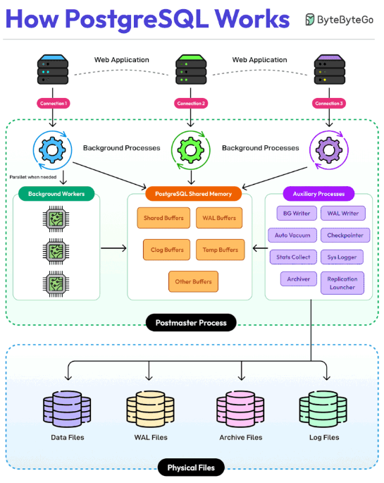 | The key points about PostgreSQL’s Architecture are as follows: 1 - PostgreSQL supports concurrent client connections independently. Each client connection to PostgreSQL creates a dedicated server process. 2 - The Postmaster Process is the main supervisor that manages all other PostgreSQL processes. It controls the entire database instance. 3 - Background workers run parallel processes when needed to handle specialized tasks. 4 - PostgreSQL shared memory is a central memory area containing multiple buffers such as Shared, WAL, Clog, and Temporary buffers. All components communicate through this shared memory. 5 - PostgreSQL also has several auxiliary processes such as: - BG Writer: Manages background writing - WAL Writer: Handles write-ahead logging - Auto Vacuum: Maintains database cleanliness - Checkpointer: Ensures data consistency - Stats Collector: Gathers statistics - System Logger: Manages Logging - Archiver: Handles archiving - Replication launcher: Manages replication
 | 6 - PostgreSQL has different types of physical files for varied needs such as: - Data Files: Stores actual database data - WAL Files: Write-ahead log storage - Archive Files: Backup and recovery data - Log Files: System and error logs

